master
TMMIN ENGINE PRODUCTION KARAWANG 3 DIVISION MAINTENANCE DEPT. |  |  |  |  |  | Long Time Breakdown & Reocurrence Prevention Report |  |  |  |  |  |  |  |  |  |  |  |  |  |  |  |  |  |  | Action |  |  |  | DpH |  |  |  |  | SH |  |  |  |  |  |  | GL |  |  |  |  | TL

 |  |  |  |  |  |  |  |  |  |  |  |  |  |  |  |  |  |  |  |  |  |  |  |  |  |  |  |  |  | / |  | /
 |  |  |  |  |  |  |  |  |  |  |  |  |  |  |  |  |  |  |  |  |  |  |  |  | Countermeasure

 |  |  |  |  |  |  |  |  |  |  |  |  |  |  |  |  |  |  |  |  |  |  |  |  |  |  |  |  |  | / |  | / |  |  |  | / |  | / |  |  |  | / |  |  | / |  |  | / |  | /

1. Kejadian | Breakdown Start |  |  |  |  |  |  |  |  | 2. PROBLEM : |  |  |  |  |  |  |  |  |  |  |  |  | Line |  |  |  | Cylinder Block |  |  |  |  |  |  |  |  | PIC |  |  |  |  |  |  |  | Report Number
 | Tanggal | Bulan | Tahun | Shift | Start |  | Finish |  | B/D Duration | Spindle Unclamp LS Adjust Fault |  |  |  |  |  |  |  |  |  |  |  |  | Mesin |  |  |  | IMSP-0060 |  |  |  |  |  |  |  |  | WINARTO |  |  |  |  |  |  |  | 1001101
 | 14 | 04 | 04 | WHITE | 22:33:35 |  | 3:30:00 |  | 320 |  |  |  |  |  |  |  |  |  |  |  |  |  | Nama proces |  |  |  | MILLING
3. PROBLEM DESCRIPTION |  |  |  |  |  |  |  |  |  |  |  | 5.STEP REPAIR ( Micro Analysis )
3.a. Uraian Kejadian |  |  |  | 3.b. Ilustrasi
Ideal |  | 10
Actual |  | 10
Ideal |  | 0
Actual |  | 0
Ideal |  | 0
Actual |  | 0
Ideal |  | 130
Actual |  | 205
Ideal |  | 105
Actual |  | 105
Ideal
Actual
Menit
Flow proses |  |  |  | STANDARD |  |  |  |  |  |  |  | No | Step Repair ( Actual ) |  | Work |  | Menit |  |  |  |  |  |  |  |  |  |  |  |  |  |  |  |  |  |  |  | Quick
 |  |  |  |  |  |  |  |  |  |  |  |  |  |  | Time |  | 50 | 100 | 150 |  |  | 200 |  | 250 |  | 300 |  | 350 |  | 400 |  | 450 |  |  | 500 |  | 6 |  |  |  |  |  |  |  |  |  |  |  |  |  | Input di bawah di gunakan untuk grafik (jangan di hapus)
PROXIMITY 14PRS X4.2 ( KONFIRMSI SPINDLE UNCLAMP ) ON
<flow-process> |  |  |  | <no-description> |  |  |  | 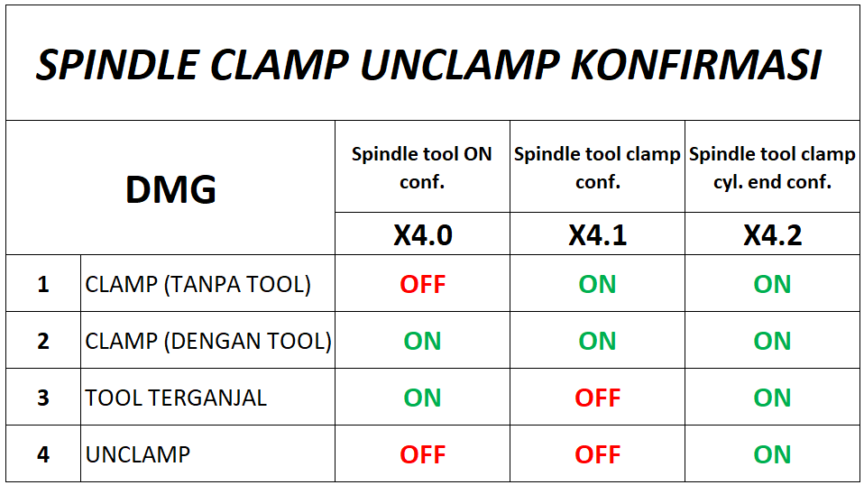 <images> |  |  |  | 1 | INVESTIGASI PROBLEM PROXIMITY |  | 10 |  |  |  |  |  |  |  |  |  |  |  |  |  |  |  |  |  |  |  |  |  | Q1 |  |  |  |  |  |  |  |  |  |  |  |  |  | Q1 | Ideal | 10
 |  |  |  |  |  |  |  |  |  |  |  | 2 | BONGKAR SPINDLE |  | 50 |  |  |  |  |  |  |  |  |  |  |  |  |  |  |  |  |  |  |  |  |  | Q4 |  |  |  |  |  |  |  |  |  |  |  |  |  |  | Actual | 10
 |  |  |  |  |  |  |  |  |  |  |  | 3 | GANTI PROXIMITY DAN ADJUST PROXIMITY |  | 90 |  |  |  |  |  |  |  |  |  |  |  |  |  |  |  |  |  |  |  |  |  | Q5 |  |  |  |  |  |  |  |  |  |  |  |  |  | Q2 | Ideal | 0
 |  |  |  |  |  |  |  |  |  |  |  | 4 | GANTI SEAL KIT, ROTRY JOINT SPINDLE CLAMP |  | 30 |  |  |  |  |  |  |  |  |  |  |  |  |  |  |  |  |  |  |  |  |  | Q4 |  |  |  |  |  |  |  |  |  |  |  |  |  |  | Actual | 0
SAAT PROSES TIMBUL FAULT SPINDLE UNCLAMP LS ADJUST FAULT
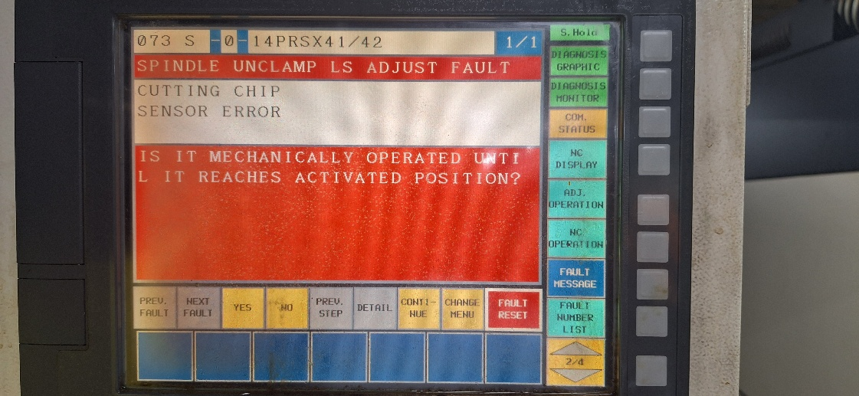 <images> |  |  |  |  |  |  |  |  |  |  |  | 5 | PASANG SPINDLE TO MACHINE & KONF. SPINDLE INDEX |  | 50 |  |  |  |  |  |  |  |  |  |  |  |  |  |  |  |  |  |  |  |  |  | Q4 |  |  |  |  |  |  |  |  |  |  |  |  |  | Q3 | Ideal | 0
 |  |  |  |  |  |  |  |  |  |  |  | 6 | DRY RUN , TRIAL DAN CHECK QUALITAS |  | 15 |  |  |  |  |  |  |  |  |  |  |  |  |  |  |  |  |  |  |  |  |  | Q5 |  |  |  |  |  |  |  |  |  |  |  |  |  |  | Actual | 0
 |  |  |  |  |  |  |  |  |  |  |  | Total Time |  |  | 245 |  |  |  |  |  |  |  |  |  |  |  |  |  |  |  |  |  |  |  |  |  |  |  |  |  |  |  |  |  |  |  |  |  |  |  | Q4 | Ideal | 205
 |  |  |  |  |  |  |  |  |  |  |  |  |  |  |  |  |  |  |  |  |  |  |  |  |  |  |  |  |  |  |  |  |  |  |  |  |  |  | Q1 = Diagnose / Cause Analysis |  |  |  |  |  |  |  |  |  |  |  |  | Actual | 130
 |  |  |  |  |  |  |  |  |  |  |  | No | Step Repair ( Ideal ) |  | Work |  | Menit |  |  |  |  |  |  |  |  |  |  |  |  |  |  |  |  |  |  |  | Quick |  |  |  |  |  |  |  |  |  |  |  |  |  | Q5 | Ideal | 105
 |  |  |  | ACTUAL |  |  |  |  |  |  |  |  |  |  | Time |  | 50 | 100 | 150 |  |  | 200 |  | 250 |  | 300 |  | 350 |  | 400 |  | 450 |  |  | 500 |  | 6 |  |  |  |  |  |  |  |  |  |  |  |  |  |  | Actual | 105
PROXIMITY 14PRS X4.2 ( KONFIRMSI SPINDLE UNCLAMP ) TIDAK ON
 |  |  |  | <no-description> |  |  |  | <images> |  |  |  | 1 | INVESTIGASI PROBLEM PROXIMITY |  | 10 |  |  |  |  |  |  |  |  |  |  |  |  |  |  |  |  |  |  |  |  |  | Q1 |  |  |  |  |  |  |  |  |  |  |  |  |  | Q6 | Ideal | 0
 |  |  |  |  |  |  |  |  |  |  |  | 2 | BONGKAR SPINDLE |  | 50 |  |  |  |  |  |  |  |  |  |  |  |  |  |  |  |  |  |  |  |  |  | Q4 |  |  | Current Step (Get Experience) |  |  |  |  | 245 |  |  |  |  |  |  | Actual | 0
 |  |  |  |  |  |  |  |  |  |  |  | 3 | GANTI PROXIMITY DAN ADJUST PROXIMITY |  | 90 |  |  |  |  |  |  |  |  |  |  |  |  |  |  |  |  |  |  |  |  |  | Q5 |  |  |  |  |  |  |  | ↕️
 |  |  |  |  |  |  |  |  |  |  |  | 4 | GANTI SEAL KIT, ROTRY JOINT SPINDLE CLAMP |  | 105 |  |  |  |  |  |  |  |  |  |  |  |  |  |  |  |  |  |  |  |  |  | Q4 |  |  |  |  |  |  |  |  |  | ➡️ |  | -75
 |  |  |  |  |  |  |  |  |  |  |  | 5 | PASANG SPINDLE TO MACHINE & KONF. SPINDLE INDEX |  | 50 |  |  |  |  |  |  |  |  |  |  |  |  |  |  |  |  |  |  |  |  |  | Q4 |  |  | Ideal Step ( Get Know how )
 |  |  |  |  |  |  |  |  |  |  |  | 6 | DRY RUN , TRIAL DAN CHECK QUALITAS |  | 15 |  |  |  |  |  |  |  |  |  |  |  |  |  |  |  |  |  |  |  |  |  | Q5 |  |  |  |  |  |  |  | 320
 |  |  |  |  |  |  |  |  |  |  |  | Total Time |  |  | 320
4. KENAPA TERJADI (5W Analysis) |  |  |  | BAG | Engser |  | Prod |  | Staff Mt | MT | QC | 6. KENAPA LAMA ( 5W Analysis ) |  |  |  |  |  |  |  |  |  |  |  |  |  |  |  |  |  |  |  |  |  |  |  |  |  |  |  |  |  |  |  |  |  |  |  |  |  |  |  |  |  | 8. ITEM YANG PERLU DILAKUKAN / NEXT ACTION
 |  |  |  | PIC |  |  |  |  |  |  |  |  |  |  |  |  |  |  |  |  |  |  |  |  |  |  |  |  |  |  |  |  |  |  |  |  |  |  |  |  |  |  |  |  |  |  |  |  |  |  |  |  |  |  | Items | PIC | Kapan | Jud
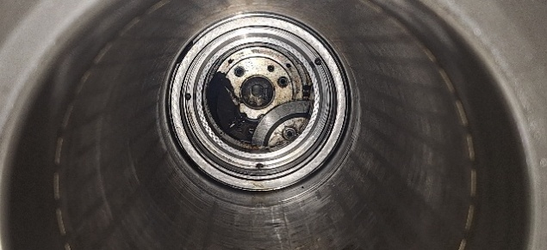
PROXIMITY 14PRSX42 ABNORMAL
MACHINE
MAN
METHODE
MATERIAL
ENVIRONMENT
PROXIMITY 14PRSX42 TIDAK ON
PROXIMITY 14PRSX42 GOMPAL
PROXIMITY TERBENTUR PECAHAN DOG FLANGE ROTOR
DESIGN MATERIAL DOGU MUDAH PECAH (DESIGN MAKER)
❶
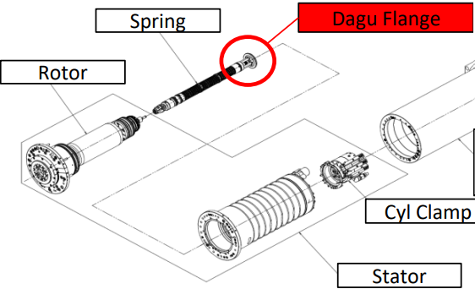
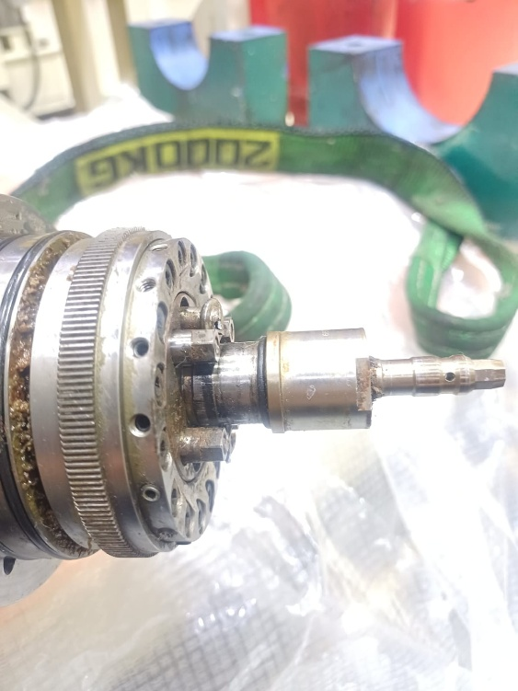
STEP REPAIR LAMA 75'
Repair Patahan Shaft lama
shaft bolt tidak bisa di buka (Terkena Locktite)
 |  |  |  |  |  |  |  |  |  |  |  |  |  |  |  |  |  |  |  |  |  |  |  |  |  |  |  |  |  |  |  |  |  |  |  |  |  |  |  |  |  |  |  |  |  |  |  |  |  |  |  |  |  |  | Over haul mesin
 |  |  |  |  |  |  |  |  |  |  |  |  |  |  |  |  |  |  |  |  |  |  |  |  |  |  |  |  |  |  |  |  |  |  |  |  |  |  |  |  |  |  |  |  |  |  |  |  |  |  |  |  |  |  | Improvement
 |  |  |  |  |  |  |  |  |  |  |  |  |  |  |  |  |  |  |  |  |  |  |  |  |  |  |  |  |  |  |  |  |  |  |  |  |  |  |  |  |  |  |  |  |  |  |  |  |  |  |  |  |  |  | Revice TPM
 |  |  |  |  |  |  |  |  |  |  |  |  |  |  |  |  |  |  |  |  |  |  |  |  |  |  |  |  |  |  |  |  |  |  |  |  |  |  |  |  |  |  |  |  |  |  |  |  |  |  |  |  |  |  | Spare Part:
 |  |  |  |  |  |  |  |  |  |  |  |  |  |  |  |  |  |  |  |  |  |  |  |  |  |  |  |  |  |  |  |  |  |  |  |  |  |  |  |  |  |  |  |  |  |  |  |  |  |  |  |  |  |  | Yokoten

 |  |  |  |  |  |  |  |  |  |  |  | 7. COUNTER MEASURE |  | (c/m kategory: 1. Improvement 2. Training 3. Revice TPM 4. Spare Part) |  |  |  |  |  |  |  |  |  |  |  |  |  |  |  |  |  |  | 8. YOKOTEN COUNTERMEASURE
 |  |  |  |  |  |  |  |  |  |  |  | Point | Countermeasure |  |  | C/M Katagori |  |  |  |  | PIC |  |  |  | Bagian |  | Kapan |  |  |  | Jud (ok) |  | Mesin |  |  |  |  |  |  | PIC |  |  | Bagian |  |  |  | Kapan |  |  | Jud (ok)
 |  |  |  |  |  |  |  |  |  |  |  | 1 | REPORT PROBLEM TO DMG MORI |  |  |  |  |  |  | TRIYANTO |  |  |  |  | STAFF |  | END JULI 25 |  |  |  |  |  | ALL DMG |  |  |  |  |  |  | WINARTO |  |  | MT
 |  |  |  |  |  |  |  |  |  |  |  | 2 | IMPROVE DOGU SPINDLE (DIMENSI LEBIH TEBAL & MATERIAL TIDAK MUDAH PATAH) |  |  |  |  |  |  | WINARTO |  |  |  |  | OPS |  | END JULI 25

